Test Set Values to S21
This section solves for the S21 or transmission gain for the DUT network. |  |  |  |  |  | Display of S21 voltages v2 and vr magnitudes and phase for a series R L at 2 MHz.
The DUT is inserted in series between port v1 and v2 and the ratio to measure |  |  |  |  |  | Note despite the low frequnecy, the delay is small. Since vr leads v2, the time delay is positive.
is v2 relative to vr. The time delay between v2 and vr is also required.
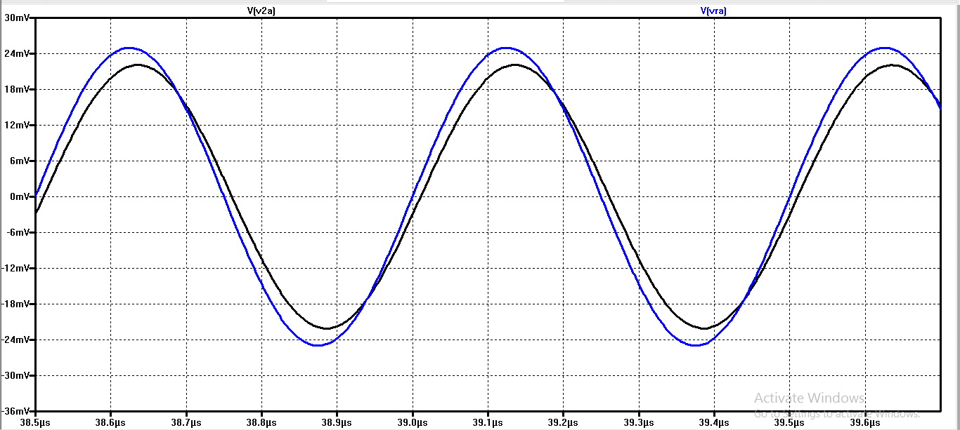

Input values required are v2 and vr and the phase relationship,
delay is input in seconds betrween the v2 and vr signals.

If vr leads the v2 phase, noted at either the zero crossings of the
signals or their peak-to-peak alignments, then input delay is
a postive value. Otherwise, input delay is a negative value.

Starting the sheet for the paper using the Resistive Power Divider_Pad Test Set…Finding S21
v2 | 2.20E-02 |  | volts
vref | 2.50E-02 |  | volts
delay | 1.00E-08 | secs |  |  |  | Note if we expand the view around the 0 mV crossing point, the Time values are 97.5 uS 97.51 uS
Freq | 2.00E+06 | Hz
degrees | 7.2 |  |  | radians | 0.12566370614

v2/vref | 0.88 | mag
angle | -7.2 | degrees | Angle is positive if v1 is leading vref

real | 0.87306093716
imag | -0.11029324554

cmpx | 0.87306093715674-0.110293245536588i
MAG S21 | 0.88
ANG S21 | -7.2 |  |  |  |  | Hence the measured delay is 10 nanoSeconds. This is the level of delay that would need to be registered via the detector

dB S21 | -1.110346557 | This is S21 Gain dB

